Business Problem & Approach
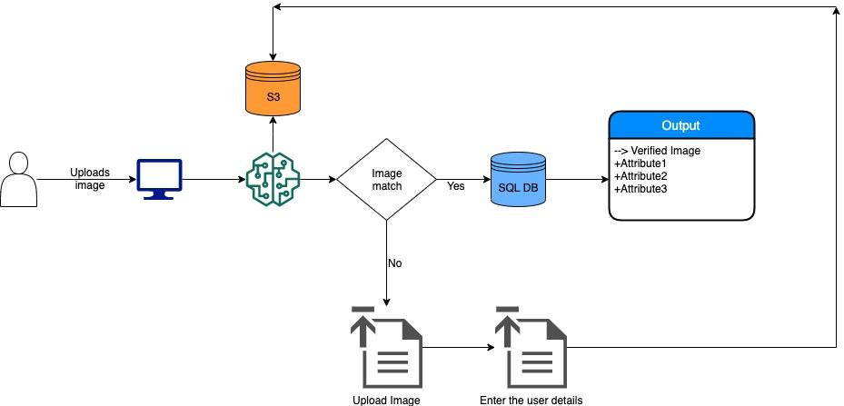
Problem Statement:
Our client is a newly founded banking entity called 'Payments bank' that takes deposits from the customers upto 2 lakh rupees.
Recently, they decided to build a self-serving app/tool for the customers to explore their different products (such as loans, cc, etc.) and apply for the same through the app.
In order to identify and verify the user, they want to add an e-KYC check in the app. This will help the bank to identify if the user is already an existing customer of the bank and help them in assessing the risk of the customer.
They have reached out to us to build the same.

Data Sources:

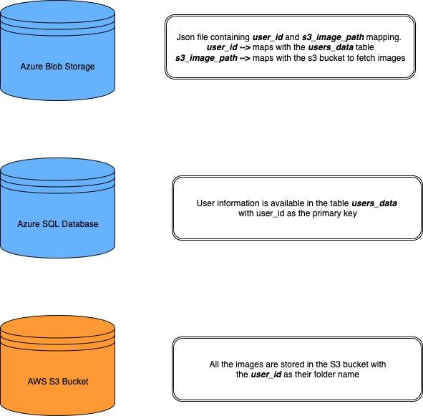

Approach:

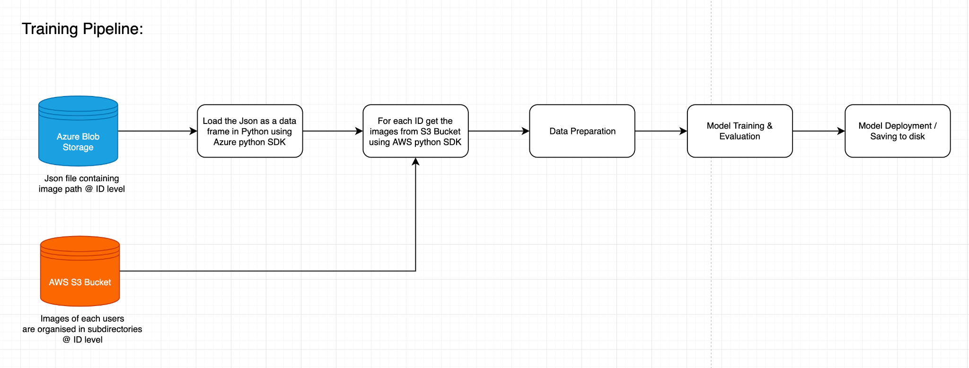

Inference Pipeline:

